Foglio1
EAN | ART. | MODELLO | GROUP |  | COLORE | FOTO | Q.TY | CARTONI DA PZ.
0736658986600 | B830W-YL | Wet Brush Classic-Yellow | Consumer | ORIGINAL DETANGLER | CLASSIC YELLOW | 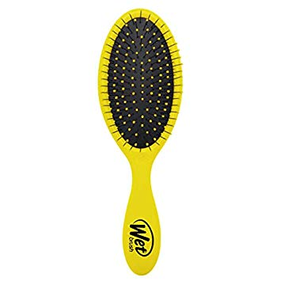 | 3,960 | 24
736658986822 | B831W-YL | Wet Paddle Classic-Yellow | Consumer | PADDLE | CLASSIC YELLOW |  | 1,960 | 24
0736658956337 | BSC830LIME | WET BRUSH PRO LIME | Professional | ORIGINAL DETANGLER | LIME | 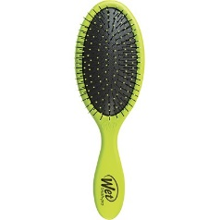 | 3,168 | 72
 |  |  |  |  |  |  | 9,088

